Sheet1
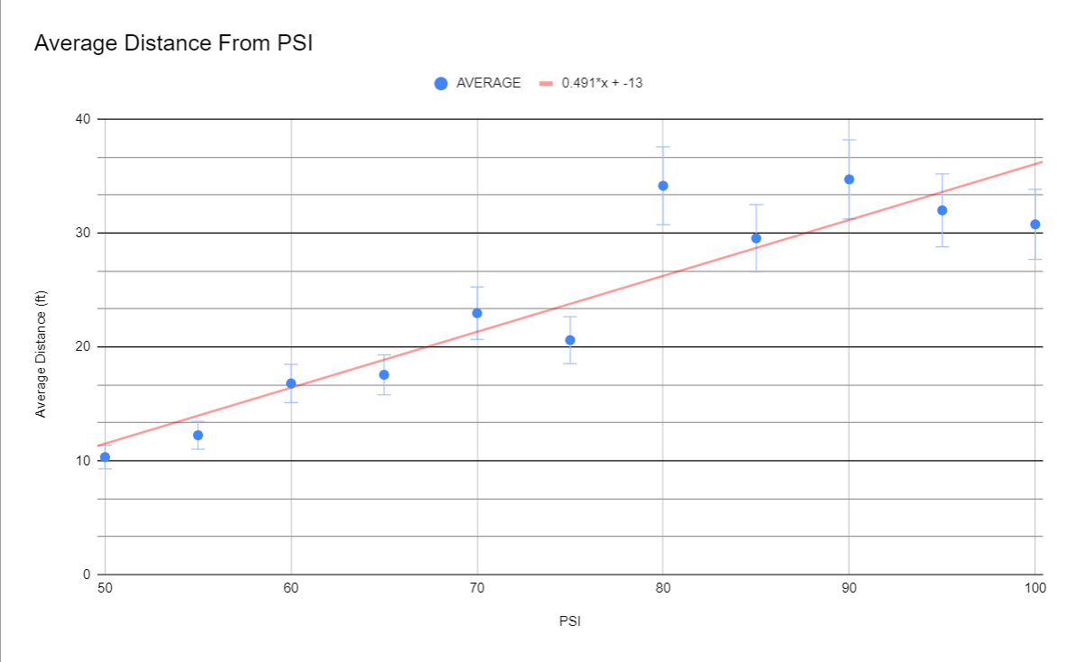
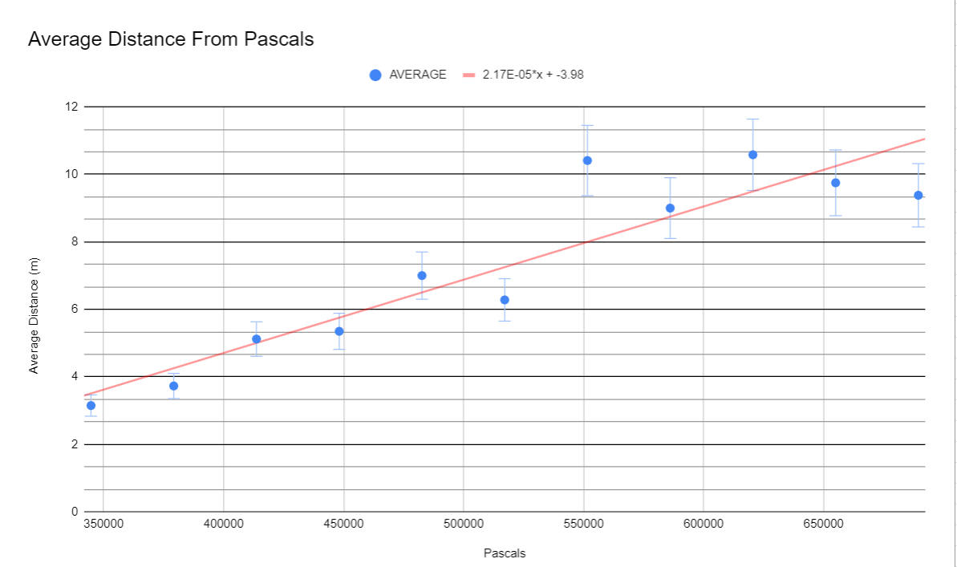
Average Distance From PSI
IMPERIAL | Distance (ft)
PSI | Trial 1 | Trial 2 | Trial 3 | AVERAGE
50 | 10.33 | 10.58 | 10.08 | 10.33
55 | 12.5 | 12.92 | 11.33 | 12.25
60 | 15.08 | 18 | 17.33 | 16.8
65 | 12.5 | 20.5 | 19.67 | 17.56
70 | 23.08 | 22.5 | 23.33 | 22.97
75 | 12.8 | 18.91 | 30.08 | 20.6
80 | 34 | 33.33 | 35.16 | 34.16
85 | 30.25 | 28.91 | 29.5 | 29.55
90 | 35.1666 | 34.83 | 34.16 | 34.72
95 | 32.08 | 32.25 | 31.67 | 32
100 | 30.91 | 31.33 | 30.08 | 30.77

Average Distance From Pascals
METRIC | Distance (m)
Pascals | Trial 1 | Trial 2 | Trial 3 | AVERAGE
344738 | 3.15 | 3.22 | 3.07 | 3.15
379212 | 3.81 | 3.94 | 3.45 | 3.73
413685 | 4.6 | 5.49 | 5.28 | 5.12
448159 | 3.81 | 6.25 | 6 | 5.35
482633 | 7.03 | 6.86 | 7.1 | 7
517107 | 3.9 | 5.76 | 9.17 | 6.28
551581 | 10.36 | 10.16 | 10.72 | 10.41
586054 | 9.22 | 8.81 | 8.99 | 9
620528 | 10.72 | 10.62 | 10.41 | 10.58
655002 | 9.78 | 9.83 | 9.65 | 9.75
689476 | 9.42 | 9.55 | 9.17 | 9.38

