Sheet1
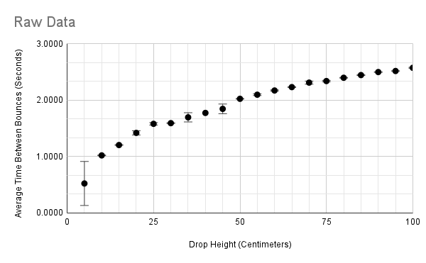
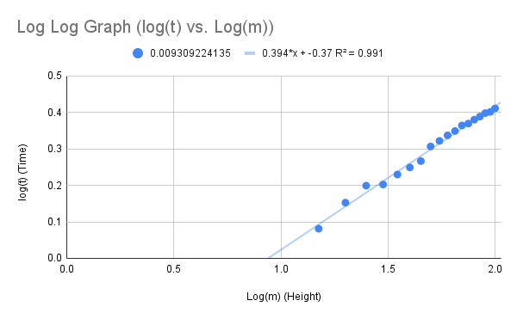
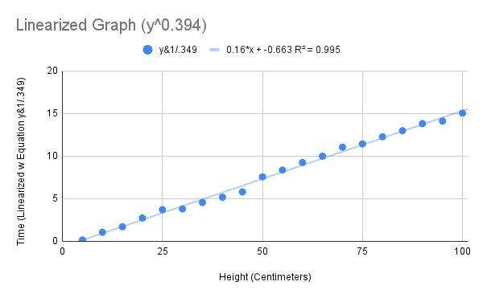
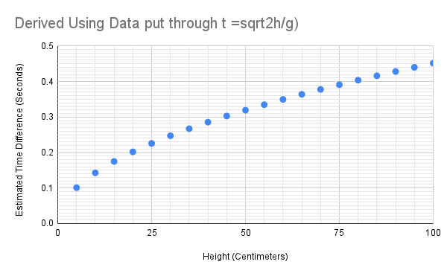
 |  |  |  |  |  | Fifth Bounce Time |  |  |  |  |  |  |  | Difference Between Fifth and First Bounces
Height (m) |  |  | Time in Seconds |  |  | Height (m) |  |  | Time in Seconds |  |  |  |  | Time in Seconds
(+/-0.1m) | Trial One | Trial Two | Trial Three | Average | Uncertainty | (+/-0.1m) | Trial One | Trial Two | Trial Three | Average | Uncertainty | Trial One | Trial Two | Trial Three | Average | Uncertainty
5 | 0.0756 | 0.1176 | 0.1360 | 0.1097 | 0.0302 | 5 | 0.0875 | 0.8834 | 0.9286 | 0.6332 | 0.4206 | 0.0119 | 0.7658 | 0.7926 | 0.5234 | 0.39034
10 | 0.0736 | 0.2320 | 0.1964 | 0.1673 | 0.0792 | 10 | 1.1000 | 1.2550 | 1.2120 | 1.1890 | 0.0330 | 1.0264 | 1.0230 | 1.0156 | 1.0217 | 0.0054
15 | 0.3152 | 0.2776 | 0.1680 | 0.2536 | 0.0736 | 15 | 1.5200 | 1.4730 | 1.3840 | 1.4590 | 0.0445 | 1.2048 | 1.1954 | 1.2160 | 1.2054 | 0.0056
20 | 0.0256 | 0.2518 | 0.0272 | 0.1015 | 0.1131 | 20 | 1.4890 | 1.6150 | 1.4640 | 1.5227 | 0.0755 | 1.4634 | 1.3632 | 1.4368 | 1.4211 | 0.0368
25 | 0.0848 | 0.0132 | 0.1518 | 0.0833 | 0.0693 | 25 | 1.6880 | 1.5740 | 1.7330 | 1.6650 | 0.0795 | 1.6032 | 1.5608 | 1.5812 | 1.5817 | 0.0212
30 | 0.1876 | 0.4394 | 0.3254 | 0.3175 | 0.1259 | 30 | 1.7870 | 2.0330 | 1.9140 | 1.9113 | 0.0609 | 1.5994 | 1.5936 | 1.5886 | 1.5939 | 0.0054
35 | 0.2700 | 0.4624 | 0.0290 | 0.2538 | 0.2167 | 35 | 1.9210 | 2.1010 | 1.8310 | 1.9510 | 0.1350 | 1.6510 | 1.6386 | 1.8020 | 1.6972 | 0.0817
40 | 0.0978 | 0.2946 | 0.4096 | 0.2673 | 0.1559 | 40 | 1.9710 | 2.0170 | 2.1390 | 2.0423 | 0.0610 | 1.8732 | 1.7224 | 1.7294 | 1.7750 | 0.0754
45 | 0.0840 | 0.4832 | 0.5232 | 0.3635 | 0.2196 | 45 | 2.0440 | 2.2710 | 2.3170 | 2.2107 | 0.0532 | 1.9600 | 1.7878 | 1.7938 | 1.8472 | 0.0861
50 | 0.0792 | 0.2922 | 0.0938 | 0.1551 | 0.1065 | 50 | 2.1000 | 2.3190 | 2.1240 | 2.1810 | 0.0975 | 2.0208 | 2.0268 | 2.0302 | 2.0259 | 0.0047
55 | 0.1862 | 0.1306 | 0.0914 | 0.1361 | 0.0474 | 55 | 2.2970 | 2.2110 | 2.1960 | 2.2347 | 0.0194 | 2.1108 | 2.0804 | 2.1046 | 2.0986 | 0.0152
60 | 0.1048 | 0.1282 | 0.1524 | 0.1285 | 0.0238 | 60 | 2.2870 | 2.2910 | 2.3270 | 2.3017 | 0.0180 | 2.1822 | 2.1628 | 2.1746 | 2.1732 | 0.0097
65 | 0.0952 | 0.1332 | 0.1302 | 0.1195 | 0.0190 | 65 | 2.3210 | 2.3710 | 2.3660 | 2.3527 | 0.0092 | 2.2258 | 2.2378 | 2.2358 | 2.2331 | 0.006
70 | 0.1112 | 0.3682 | 0.1566 | 0.2120 | 0.1285 | 70 | 2.4270 | 2.7070 | 2.4410 | 2.5250 | 0.1330 | 2.3158 | 2.3388 | 2.2844 | 2.3130 | 0.0272
75 | 0.1068 | 0.1408 | 0.1392 | 0.1289 | 0.0170 | 75 | 2.4490 | 2.4680 | 2.4920 | 2.4697 | 0.0120 | 2.3422 | 2.3272 | 2.3528 | 2.3407 | 0.0128
80 | 0.1822 | 0.1592 | 0.1604 | 0.1673 | 0.0115 | 80 | 2.5820 | 2.5640 | 2.5530 | 2.5663 | 0.0067 | 2.3998 | 2.4048 | 2.3926 | 2.3991 | 0.0061
85 | 0.2144 | 0.1950 | 0.2946 | 0.2347 | 0.0498 | 85 | 2.6690 | 2.6410 | 2.7340 | 2.6813 | 0.0465 | 2.4546 | 2.4460 | 2.4394 | 2.4467 | 0.0076
90 | 0.2732 | 0.2016 | 0.2982 | 0.2577 | 0.0465 | 90 | 2.7720 | 2.6990 | 2.8030 | 2.7580 | 0.0520 | 2.4988 | 2.4974 | 2.5048 | 2.5003 | 0.0037
95 | 0.2708 | 0.2314 | 0.1734 | 0.2252 | 0.0487 | 95 | 2.7850 | 2.7610 | 2.6870 | 2.7443 | 0.0370 | 2.5142 | 2.5296 | 2.5136 | 2.5191 | 0.008
100 | 0.4094 | 0.2196 | 0.2622 | 0.2971 | 0.0949 | 100 | 2.9790 | 2.8050 | 2.8350 | 2.8730 | 0.0340 | 2.5696 | 2.5854 | 2.5728 | 2.5759 | 0.0079

