Graphs
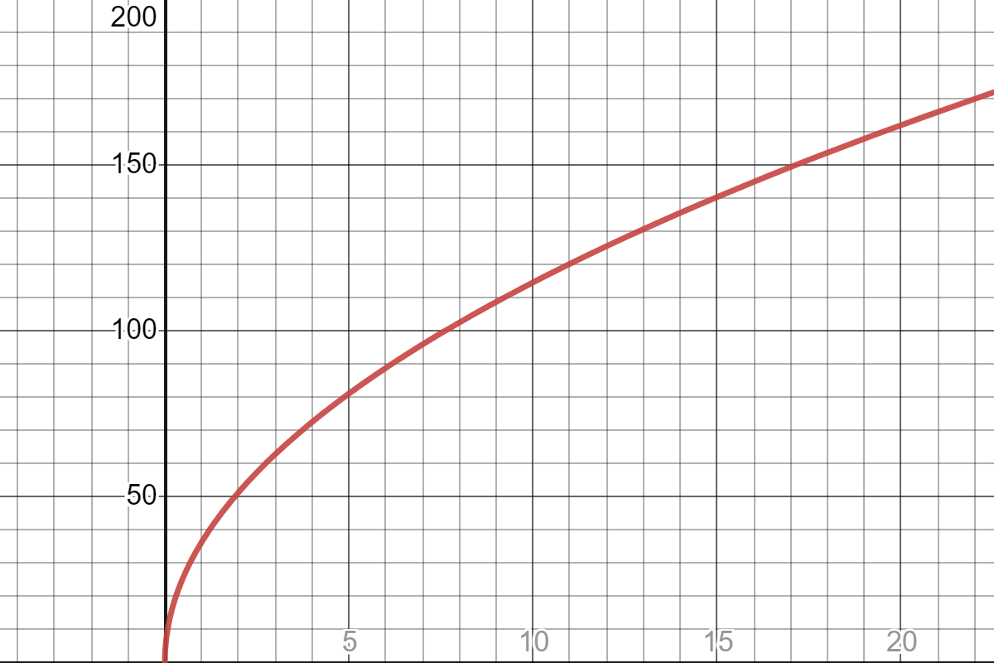
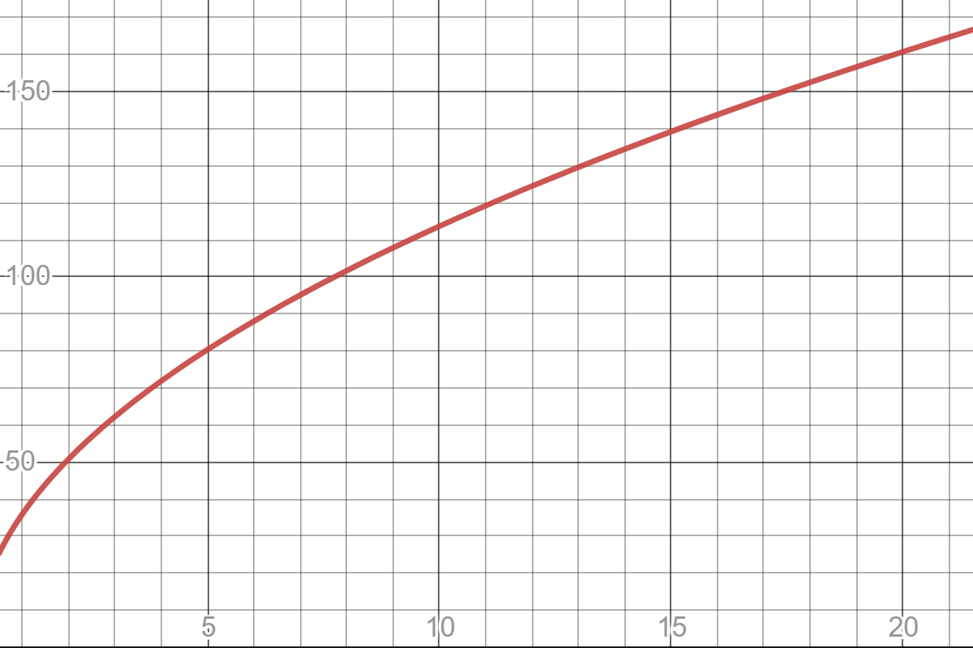
Frequency (Hz) vs. Weight (g)
Tension (N) vs Frequency (Hz); y = 5.57*x + 55.9; R^2 = 0.994
Log of T vs Log of F; 0.499*x + 1.56; R^2 = 0.999

